US9
 | Test Scenarios for SimpCity
 | Test Cases Creation |  |  | System Testing (TDA) |  |  | User Acceptance Testing |  | Team
 | User Stories: | US9 - As a user, I want to be able to see my building that I have placed being displayed so that I have a visual representation of where my buildings are. |  | Version Control: | V1 |  | Version Control: | V1 | Scrum Master: | Megan Png
 | Created By: | Hui Ying |  | Tester: | Hui Ying |  | User: | Mr Low | Tech Lead: | Claris
 | Status: | Done |  | Status: | Done |  | Status: | Pending | QA: | Hui Ying
 | Dated as of: | 8-Dec-21 |  | Test Date: | 11-Dec-21 |  | UAT Date: |  | Developer: | Amanda Chan
 | Reviwed By: |  |  | Reviwed By: |  |  | Reviwed By:
 | Tech Lead | Claris (Approved in GitHub Pull Request) |  | Scrum Master | Megan Png |  | Scrum Master: | <Signature>
 |  |  |  | Tech Lead | Claris (Approved in GitHub Pull Request) |  | Tech Lead: | <Signature>
 |  |  |  |  |  |  | QA: | <Signature>

 | condition to test place a building a the grid | steps
S/NO | Test Scenario | Test Scenario Description | Test Values | Expected Outcome | Boundary? Equivalence? | Functional? Non-Functional? | Pass/ Fail | Actual Outcome | Test Result (Pass / Fail) | Remarks
1 | The number "1" is inputted by the user in the configure menu to select the building to input, then enter the positon to place the building in the grid map. | 1. The user enters an option value of the numeric interger "1" when the message "Your Choice?" is prompted to the users, then the message "Build Where?" is prompted to the users and the user enters the desired position | Before: Start New Game option is selected. Empty 4x4 board with the message "Turn 1" shall be displayed. The confiugration menu with an option rangning from "0" to "5" should be displayed Build a building option is selected -> Your Choice? [option value 1 to 2] is enter After: Build where? [alphabet in Caps+ number, the alphabet should range from "A" to "D" and the number should range from "1" to "4". ] e.g C4 | The building name is displayed in the board with its position being the input indicated by the user when the message "Build Where" is prompted | Equivalence | Functional | Pass | 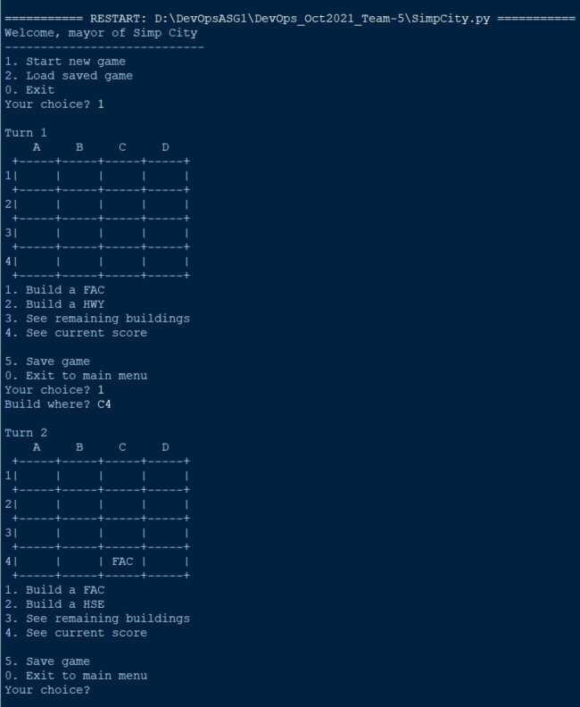 | Pass
2 | The number "2" is inputted by the user in the configure menu to select the building to input, then enter the positon to place the building in the grid map. | 1. The user enters an option value of the numeric interger "2" when the message "Your Choice?" is prompted to the users, then the message "Build Where?" is prompted to the users and the user enters the desired position | Before: Start New Game option is selected. Empty 4x4 board with the message "Turn 1" shall be displayed. The confiugration menu with an option rangning from "0" to "5" should be displayed Build a building option is selected -> Your Choice? [option value 1 to 2] is enter After: Build where? [alphabet in Caps+ number, the alphabet should range from "a" to "d" and the number should range from "1" to "4". ] e.g b2 | The building name is displayed in the board with its position being the input indicated by the user when the message "Build Where" is prompted | Equivalence | Functional | Pass | 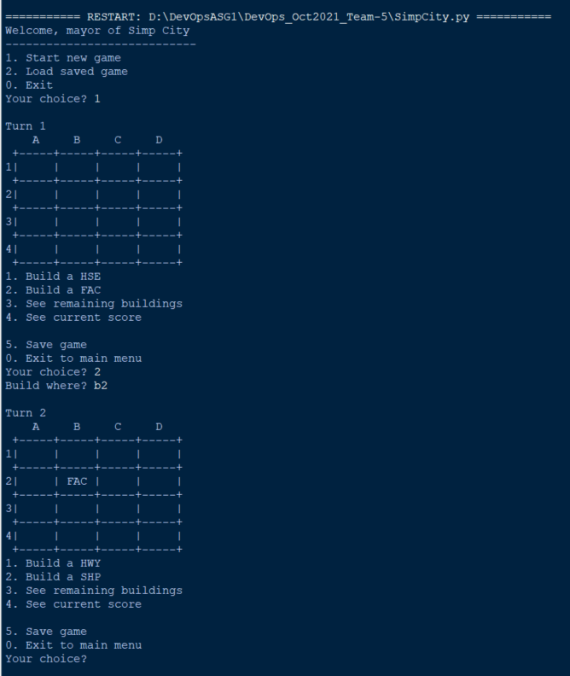 | Pass
3 | The user selects the building to input in the configure menu, then enter the positon to place the building in the grid map. | 1. The user enters an option value of the numeric interger either "1" to "2" when the message "Your Choice?" is prompted to the users. 2. Then the message "Build Where?" is prompted to the users 3. The user enters a valur of [alphabet in Caps or lower case+ number, the alphabet should range from "a" to "d" or "A" to "D" and the number should range from "1" to "4". ] e.g. b2 4. The user selects either "1" to "2" again when Your Choice?" is prompted. the the user enters [alphabet in Caps or lower case+ number, the alphabet should range beyond "a" to "d" or "A" to "D" and the number is beyond "1" to "4". ] e.g. Z5 5. The user restart the program again 6. The user starts a new game and enters an option value of the numeric interger either "1" to "2" when the message "Your Choice?" is prompted to the users. 7. Then the message "Build Where?" is prompted to the users. 8. The user enters [A combintation of not a alphabet + number is entered] e.g. 55 | Before: | Before: Start New Game option is selected. Empty 4x4 board with the message "Turn 1" shall be displayed. The confiugration menu with an option rangning from "0" to "5" should be displayed Build a building option is selected -> Your Choice? [option value 1 to 2] is enter |  | Functional
 |  |  | After: 1.Build where? [alphabet in Caps or lower case+ number, the alphabet should range from "a" to "d" or "A" to "D" and the number should range from "1" to "4". ] | 1. The building name is displayed in the board with its position being the input indicated by the user when the message "Build Where" is prompted | Boundary |  | Pass | 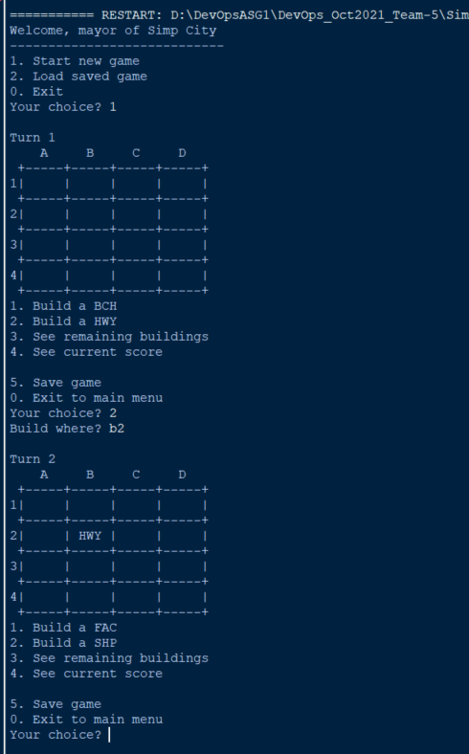 | Pass
 |  |  | After: 2. Build where? [alphabet in Caps or lower case+ number, the alphabet should range beyond "a" to "d" or "A" to "D" and the number is beyond "1" to "4". ] | Error in program as input validation was not done yet. |  |  | Fail | 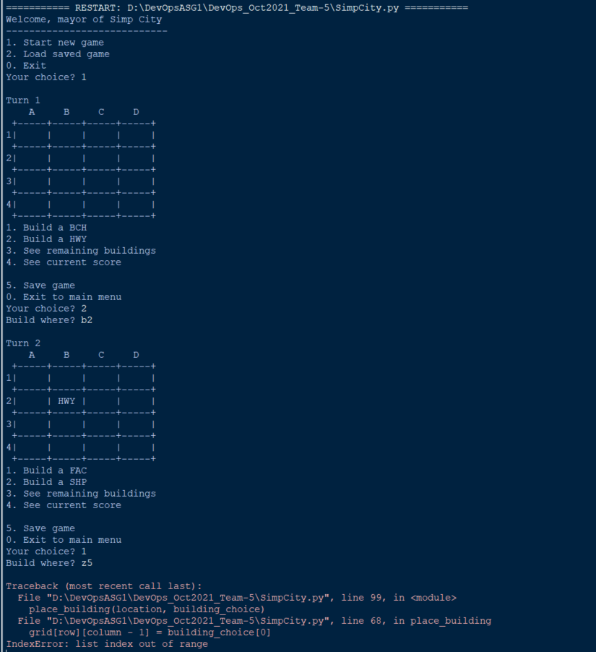 | Pass
 |  |  | After: 3. Build where? [A combintation of not a alphabet + number is entered] | Error in program as input validation was not done yet. |  |  | Fail | 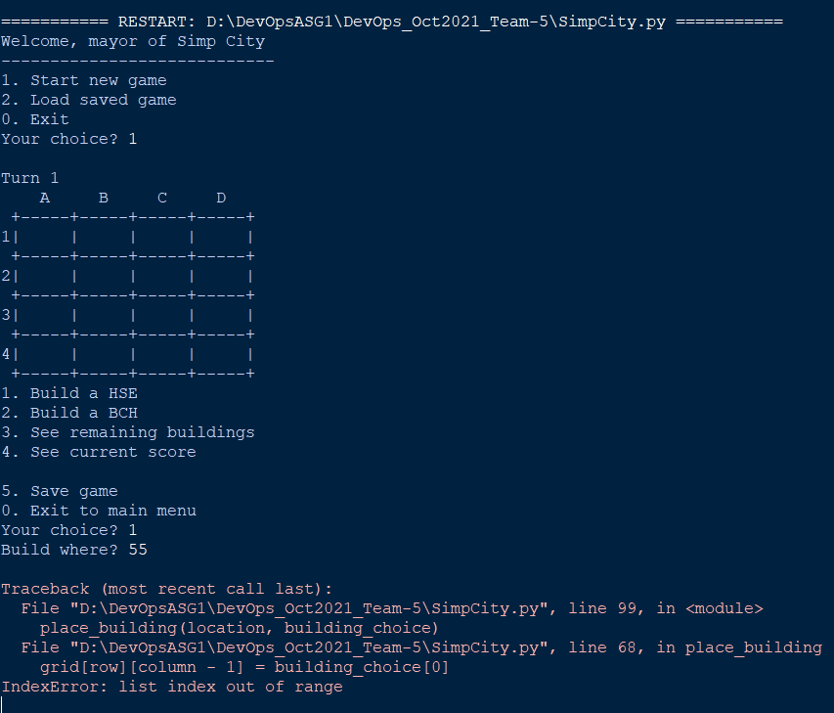 | Pass

